Dashboard
Equity Value | 704 | Total Value | 3248

Equity Value | 1425 | Total Value | 3969

Percent increase in equity value and company value | 102% |  | 22%

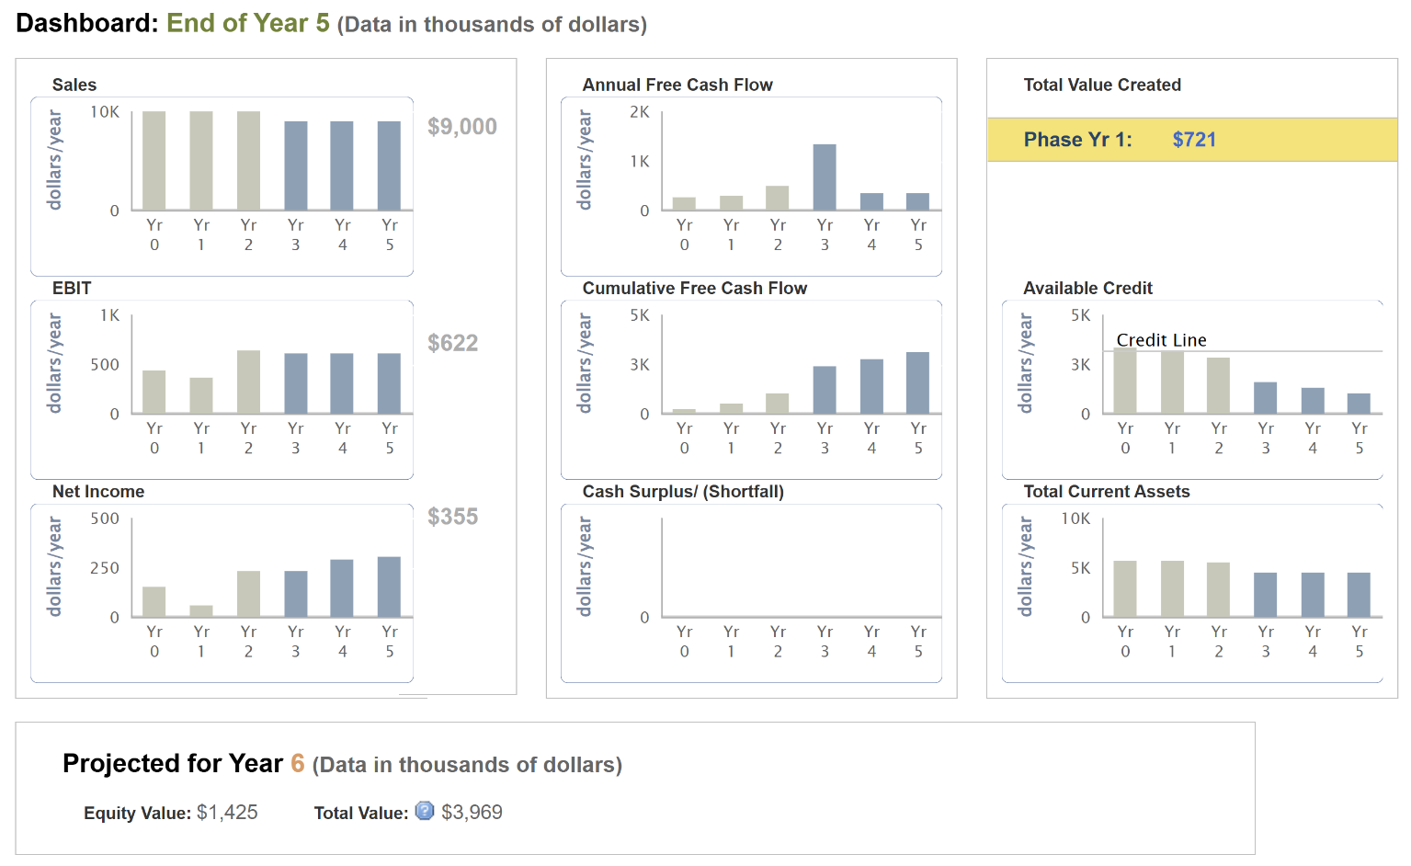

Analysis
Sales have fallen. We had to eliminate two projects that were destroying value.
One hopes in future years, we can grow sales.
Net income is improving so the net margin is likely up.
Cumalative free cash flow has grown a lot. We are freeing up cash and paying down the credit line.
My equity value has grown over 100% and my company value over 20% in the three years.

Dashboard 2
Equity Value | 704 | Total Value | 3248

Equity Value | 1425 | Total Value | 3969

Equity Value | 2281 | Total Value | 4825

Percent increase in equity value and company value | 224% |  | 49%

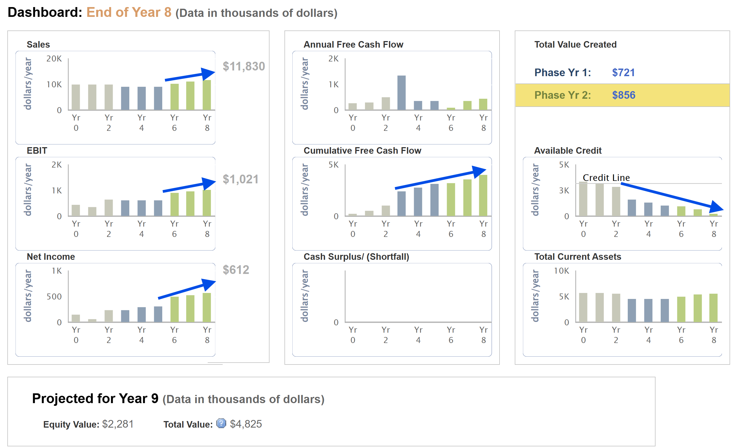

Analysis
Sales, EBIT and Net Income all have gone up.
It looks like profits went up more than sales so our margin has likely improved.
Cumulative free cash flow has continued to grow; thus we can continue to pay our debt down to the bank.
In fact, it looks like our debt is getting low. Once I pay off all the debt, my cash surplus can grow beyond the 300,000 required.
There were a lot of growing pains in the first years. Even in this last phase, I couldn't make the one project work.
Overall, though, my equity value has increased over 200% and my company value almost 50% in the 6 years.

Dashboard 3
STAGES | Equity Value | Company Value
Initial | 704 | 3248
After Stage 1 | 1425 | 3969
After Stage 2 | 2281 | 4825
After Stage 3 | 2538 | 5082
Percent increase in equity value and company value | 261% | 56%

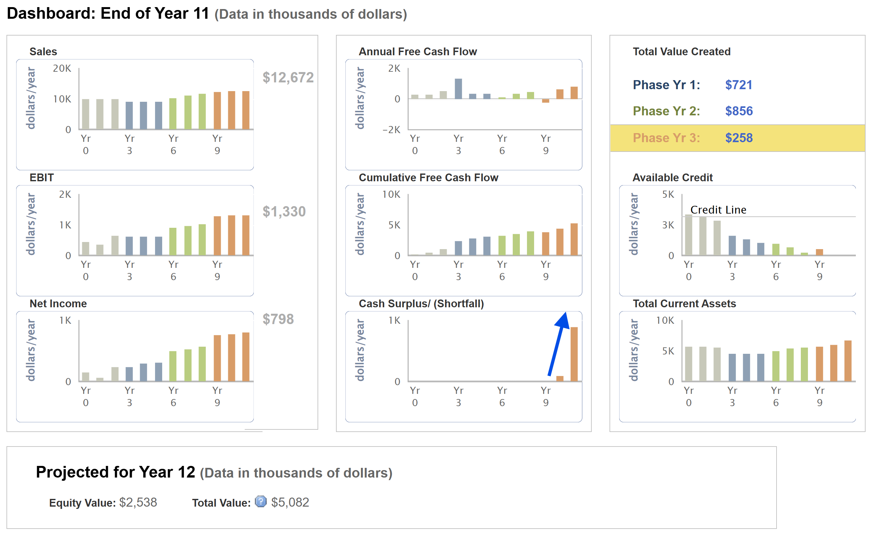

Analysis
Sales, EBIT and Net Income all continued to improve.
Cumulative free cash flow also continued to improve allowing me to completely pay down the credit line.
Now I have an increasing cash surplus beyond $300,000 originally required at the bank.
I have expanded internationally and now am in a much stronger position.
Overall, my equity value has increased 261% and my company 56% in 9 years.
I am in the position to decide if I have enough capital or if perhaps I wish to work with venture capital to obtain more capital.

End BS and IS
Balance Sheet
(data in thousands of dollars) | Yr 0 | Yr 1 | Yr 2 | Yr 3 | Yr 4 | Yr 5 | Yr 6 | Yr 7 | Yr 8 | Yr 9 | Yr 10 | Yr 11 |  | Yr 0 | Yr 1 | Yr 2 | Yr 3 | Yr 4 | Yr 5 | Yr 6 | Yr 7 | Yr 8 | Yr 9 | Yr 10 | Yr 11
Minimum Cash Requirement | $300 | $300 | $300 | $300 | $300 | $300 | $300 | $300 | $300 | $300 | $300 | $300
Cash & Equivalents (Shortfall)* | $0 | $0 | $0 | $0 | $0 | $0 | $0 | $0 | $0 | $0 | $95 | $893
Accounts Receivable | $3,123 | $3,096 | $3,014 | $2,219 | $2,219 | $2,219 | $2,440 | $2,563 | $2,648 | $2,694 | $2,767 | $2,767
Inventories | $2,357 | $2,348 | $2,305 | $1,973 | $1,973 | $1,973 | $2,319 | $2,513 | $2,647 | $2,699 | $2,841 | $2,841
Other CA | $0 | $0 | $0 | $0 | $0 | $0 | $0 | $0 | $0 | $0 | $0 | $0
Total Current Assets | $5,781 | $5,744 | $5,619 | $4,493 | $4,493 | $4,493 | $5,059 | $5,376 | $5,595 | $5,693 | $6,004 | $6,802
Net PP&E | $40 | $40 | $40 | $40 | $40 | $40 | $40 | $40 | $40 | $40 | $40 | $40
Other FA | $0 | $0 | $0 | $0 | $0 | $0 | $0 | $0 | $0 | $0 | $0 | $0
Total Assets | $5,821 | $5,784 | $5,659 | $4,533 | $4,533 | $4,533 | $5,099 | $5,416 | $5,635 | $5,733 | $6,044 | $6,842

Total Liabilities & Equity
Interest Coverage Ratio: EBIT/Interest
Accounts Payable | $1,021 | $1,055 | $1,050 | $886 | $886 | $886 | $999 | $1,084 | $1,143 | $254 | $301 | $301
Accrued Expenses | $0 | $0 | $0 | $0 | $0 | $0 | $0 | $0 | $0 | $0 | $0 | $0
Total Current Liabilities | $1,021 | $1,055 | $1,050 | $886 | $886 | $886 | $999 | $1,084 | $1,143 | $254 | $301 | $301
Amount Borrowed from Credit Line | $3,332 | $3,200 | $2,844 | $1,645 | $1,351 | $1,042 | $1,004 | $700 | $282 | $510 | $0 | $0
Total Liabilities | $4,353 | $4,255 | $3,894 | $2,531 | $2,237 | $1,928 | $2,002 | $1,784 | $1,425 | $764 | $301 | $301 | Total Liabilities or Debt/ Equity | 2.97 | 2.78 | 2.21 | 1.26 | 0.97 | 0.74 | 0.65 | 0.49 | 0.34 | 0.15 | 0.05 | 0.05
Common Stock | $200 | $200 | $200 | $200 | $200 | $200 | $200 | $200 | $200 | $200 | $200 | $200
Retained Earnings | $1,267 | $1,329 | $1,565 | $1,802 | $2,096 | $2,404 | $2,897 | $3,432 | $4,011 | $4,769 | $5,543 | $6,340
Total Stockholder's Equity | $1,467 | $1,529 | $1,765 | $2,002 | $2,296 | $2,604 | $3,097 | $3,632 | $4,211 | $4,969 | $5,743 | $6,540 | Equity Multiplier = Assets/Equity | 3.97 | 3.78 | 3.21 | 2.26 | 1.97 | 1.74 | 1.65 | 1.49 | 1.34 | 1.15 | 1.05 | 1.05
Total Liabilities & Equity | $5,821 | $5,784 | $5,659 | $4,533 | $4,533 | $4,533 | $5,099 | $5,416 | $5,635 | $5,733 | $6,044 | $6,842

Income Statement
(data in thousands of dollars) | Yr 0 | Yr 1 | Yr 2 | Yr 3 | Yr 4 | Yr 5 | Yr 6 | Yr 7 | Yr 8 | Yr 9 | Yr 10 | Yr 11
Sales | $10,000 | $10,000 | $10,000 | $9,000 | $9,000 | $9,000 | $10,350 | $11,223 | $11,830 | $12,185 | $12,672 | $12,672 | Asset Turnover = Sales/ Assets | 1.72 | 1.73 | 1.77 | 1.99 | 1.99 | 1.99 | 2.03 | 2.07 | 2.10 | 2.13 | 2.10 | 1.85
Cost of Sales | $9,560 | $9,630 | $9,350 | $8,378 | $8,378 | $8,378 | $9,445 | $10,250 | $10,809 | $10,897 | $11,342 | $11,342
EBIT | $440 | $370 | $650 | $622 | $622 | $622 | $904 | $972 | $1,020 | $1,287 | $1,329 | $1,329
Interest Expense | $180 | $267 | $256 | $228 | $132 | $108 | $83 | $80 | $56 | $23 | $41 | $0 | EBIT/Interest | 2.44 | 1.39 | 2.54 | 2.73 | 4.71 | 5.76 | 10.89 | 12.15 | 18.21 | 55.96 | 32.41 | NA
Pre-Tax Income | $260 | $103 | $394 | $394 | $490 | $514 | $821 | $892 | $964 | $1,265 | $1,289 | $1,329
Income Taxes | $104 | $41 | $157 | $158 | $196 | $206 | $328 | $357 | $386 | $506 | $515 | $532
Net Income | $156 | $62 | $236 | $237 | $294 | $308 | $493 | $535 | $578 | $759 | $773 | $798 | Net Margin = Net Income/Sales | 1.56% | 0.62% | 2.36% | 2.63% | 3.27% | 3.42% | 4.76% | 4.77% | 4.89% | 6.23% | 6.10% | 6.30%

 |  |  |  |  |  |  |  |  |  |  |  |  | ROA = Net Margin * Asset Turnover | 2.68% | 1.07% | 4.17% | 5.23% | 6.49% | 6.79% | 9.67% | 9.88% | 10.26% | 13.24% | 12.79% | 11.66%

 |  |  |  |  |  |  |  |  |  |  |  |  | ROE = ROA * Equity Multiplier | 10.63% | 4.05% | 13.37% | 11.84% | 12.80% | 11.83% | 15.92% | 14.73% | 13.73% | 15.27% | 13.46% | 12.20%

Analysis
Now you make two charts - Total Liabilities to Equity (all years) and EBIT/Interest (all but last year which is NA)
Then make at least three more charts - ROA and its breakdown into net margin and asset turnover. You decide type of chart and how to format.

Assignment - Screenshot above charts into a word document. Also consider adding a screenshot or two from Dashboard 3.
You pick the order of the charts. This should make up one or two pages of exhibits.
Before the exhibits, review your company in a few paragraphs. For example, in the first paragraph you might discuss challenges you faced when you first founded yoru stratup.
Then, in the second paragraph you might discuss several developments and how projects selected created value. One can do this by specifically pointing to ratios (which are in your charts.)
That might take up your 1-page write-up, but if not you can have a third or closing paragraph. Please do not write in bullet point format.
Please do not exceed 1 page of writing and 2 pages of exhibits.
Though 1 page of analysis followed by 2 pages of exhibits is preferred, if you decide to write instead between exhibits, still do not exceed a total of 3 pages.
ROE = ROA * Equity Multiplier

